Vendor Creation Online & Retail
Product Images | Video Avialable | TRU Merchandise Category | TRU Article | EAN Number (Barcode) | TRU Article | Vendor Article Code (Article code written on the box) | Full Product Name and Description | Gulf Conformity Tracking Symbol (GCTS) YES or NO | Country of Origin | Brand Name | Batteries Included (Drop Down) | Battery Sizes/Type | Age Group | USB Charger Included/ Not included (Drop Down) | Max. Child's Weight (Max. Load) | What's in the Box? | Assembly Required | Assembled Length (centimeters) | Assembled Width (centimeters) | Assembled Height (centimeters) | Assembled Weight -Kg | Inner | Outer | EA-Single Boxed Product Height - centimeters | Carton Boxed Product Height - centimeters | EA-Single Boxed Product Length -centimeters | Carton Boxed Product Length -centimeters | EA-Single Boxed Product Width - centimeters | Carton Boxed Product Width - centimeters | Does this product contain any small parts that are a choking hazard? Please specify details. (Drop Down) | What's shown on the box but not included in the SKU? | Manufacturer Warranty Period | Certifications (Award Winning Toys) | Care Instructions | Features | Duration of Product in Business | Vendor Stock | COST - UAE without VAT | Cost - Bahrain without VAT | Cost - Qatar | Cost - Oman without VAT | Cost - Kuwait | RSP UAE without VAT | RSP UAE with VAT | RSP BAHRAIN without VAT | RSP BAHRAIN with VAT | RSP QATAR | RSP OMAN without VAT | RSP OMAN with VAT | RSP KUWAIT | Margin | AFL | AUH | Sahara | Jalia | DFC | TSQ | Al Ain | Dalma | Drfields | Hamra | Springs | DFP | Zero6 | Mercato | Nakheel | Galleria | AUH Mall | Mirdiff | Yas | Dubai Hills | Al Seef | Enma | Al Saad | Doha Festival City | Qatar Warehouse | Kuwait | Oman
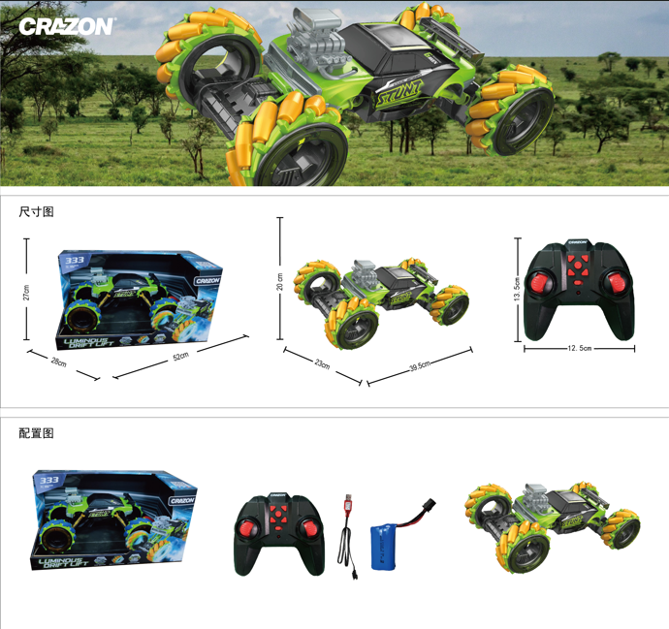 |  |  |  | 2023062611067 |  | 333-PY2302 | 2.4G High-speed drift car with multi-functions |  | China | CRAZON |  |  | 3+ |  |  |  |  |  |  |  |  |  | 6 | 20 | 42 | 39.5 | 62 | 23 | 48 |  |  |  |  |  |  |  | 29 | AED 145.29 |  |  |  |  | AED 322.86 | 339.00
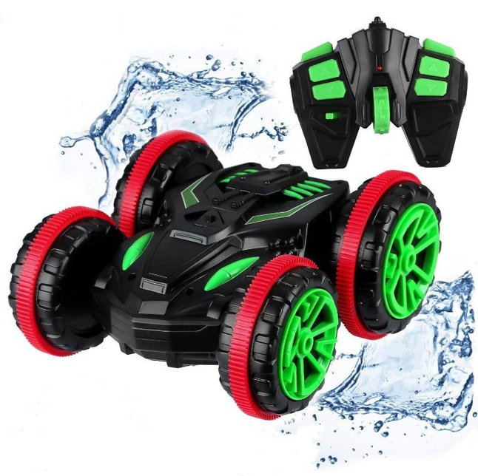 |  |  |  | 2023100611455 |  | 18SL02 | Crazon 2.4G Amphibious Stunt - 18SL02 |  | China | CRAZON |  |  | 3+ |  |  |  |  |  |  |  |  |  | 6 | 19.5 | 42 | 34 | 70 | 25.8 | 54 |  |  |  |  |  |  |  | 62 | AED 76.71 |  |  |  |  | AED 170.48 | 179.00
 |  |  |  | 2025070825115 |  | 333-P2511 | Crazon-Intelligent Reading robot |  | China | CRAZON |  |  | 3+ |  |  |  |  |  |  |  |  |  | 1 | 34 | 70 | 31 | 65 | 13 | 42 |  |  |  |  |  |  |  | 25 | AED 85.29 |  |  |  |  | AED 189.52 | 199.00
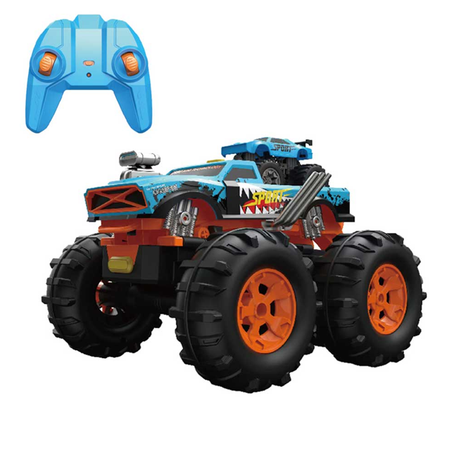 |  |  |  | 2025070814010 |  | 333- TS251401 | RC 2 in 1 Laucher Off-Road |  | China | CRAZON |  |  | 3+ |  |  |  |  |  |  |  |  |  | 1 | 24.5 | 52 | 38 | 78 | 19 | 40 |  |  |  |  |  |  |  | 53 | AED 106.71 |  |  |  |  | AED 237.14 | 249.00
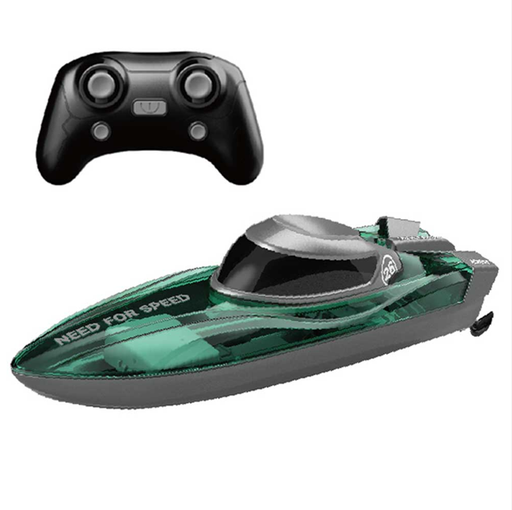 |  |  |  | 2025070800259 |  | 333- KT2511 | RC Speed Boat |  | China | CRAZON |  |  | 3+ |  |  |  |  |  |  |  |  |  | 1 | 18 | 38 | 55 | 57 | 22 | 46 |  |  |  |  |  |  |  | 65 | AED 55.29 |  |  |  |  | AED 122.86 | 129.00
 |  |  |  | 2025070851411 |  | 333- TG25141B | 2.4G RC 1:14 Racing Car with Lights |  | China | CRAZON |  |  | 3+ |  |  |  |  |  |  |  |  |  | 1 | 16 | 50 | 33 | 68 | 18 | 38 |  |  |  |  |  |  |  | 57 | AED 51.00 |  |  |  |  | AED 113.33 | 119.00
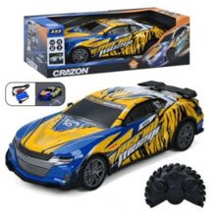 |  |  |  | 2025070851213 |  | 333- TG25121B | 2.4G RC 1:12 Racing Car with Lights |  | China | CRAZON |  |  | 3+ |  |  |  |  |  |  |  |  |  | 1 | 20 | 42 | 45 | 62 | 20 | 47 |  |  |  |  |  |  |  | 53 | AED 63.86 |  |  |  |  | AED 141.90 | 149.00
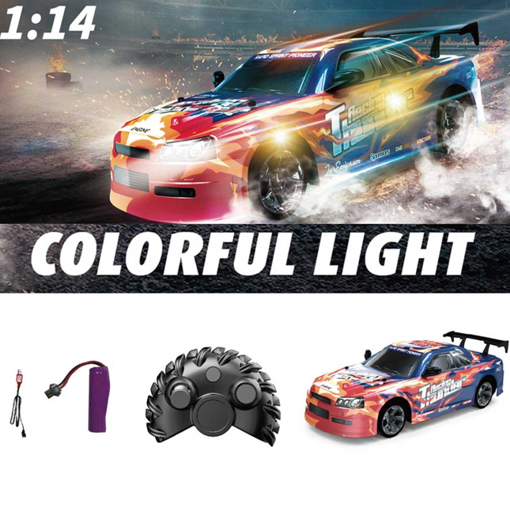 |  |  |  | 2025070851428 |  | 333- TG25142B | 2.4G RC 1:14 Racing Car with Lights |  | China | CRAZON |  |  | 3+ |  |  |  |  |  |  |  |  |  | 1 | 16 | 50 | 33 | 68 | 18 | 38 |  |  |  |  |  |  |  | 57 | AED 51.00 |  |  |  |  | AED 113.33 | 119.00
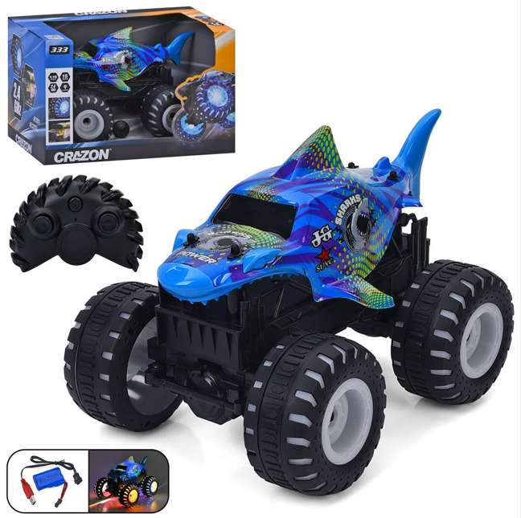 |  |  |  | 2025070851626 |  | 333- TGL25162B | 2.4G RC 1:16 Off-Road Car with Lights |  | China | CRAZON |  |  | 3+ |  |  |  |  |  |  |  |  |  | 1 | 19 | 40 | 26 | 54 | 14.5 | 46 |  |  |  |  |  |  |  | 57 | AED 63.86 |  |  |  |  | AED 141.90 | 149.00
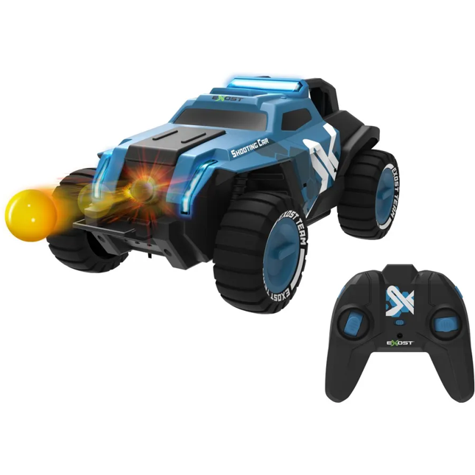 |  |  |  | 3700224540388 |  | 54038 | SHOOTING CAR 1:14 |  | China | CRAZON |  |  | 3+ |  |  |  |  |  |  |  |  |  | 6 | 16 | 50 | 32 | 66 | 12 | 38 |  |  |  |  |  |  |  | 144 | AED 85.29 |  |  |  |  | AED 189.52 | 199.00
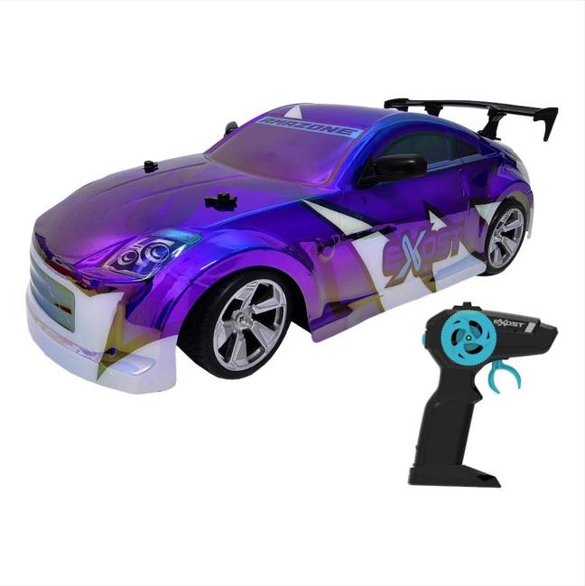 |  |  |  | 3700224540760 |  | 54076 | SHINY FLASH 2.4 GHZ 1:14 |  | China | CRAZON |  |  | 3+ |  |  |  |  |  |  |  |  |  | 1 | 20 | 42 | 40 | 82 | 19 | 41 |  |  |  |  |  |  |  | 191 | AED 76.71 |  |  |  |  | AED 170.48 | 179.00
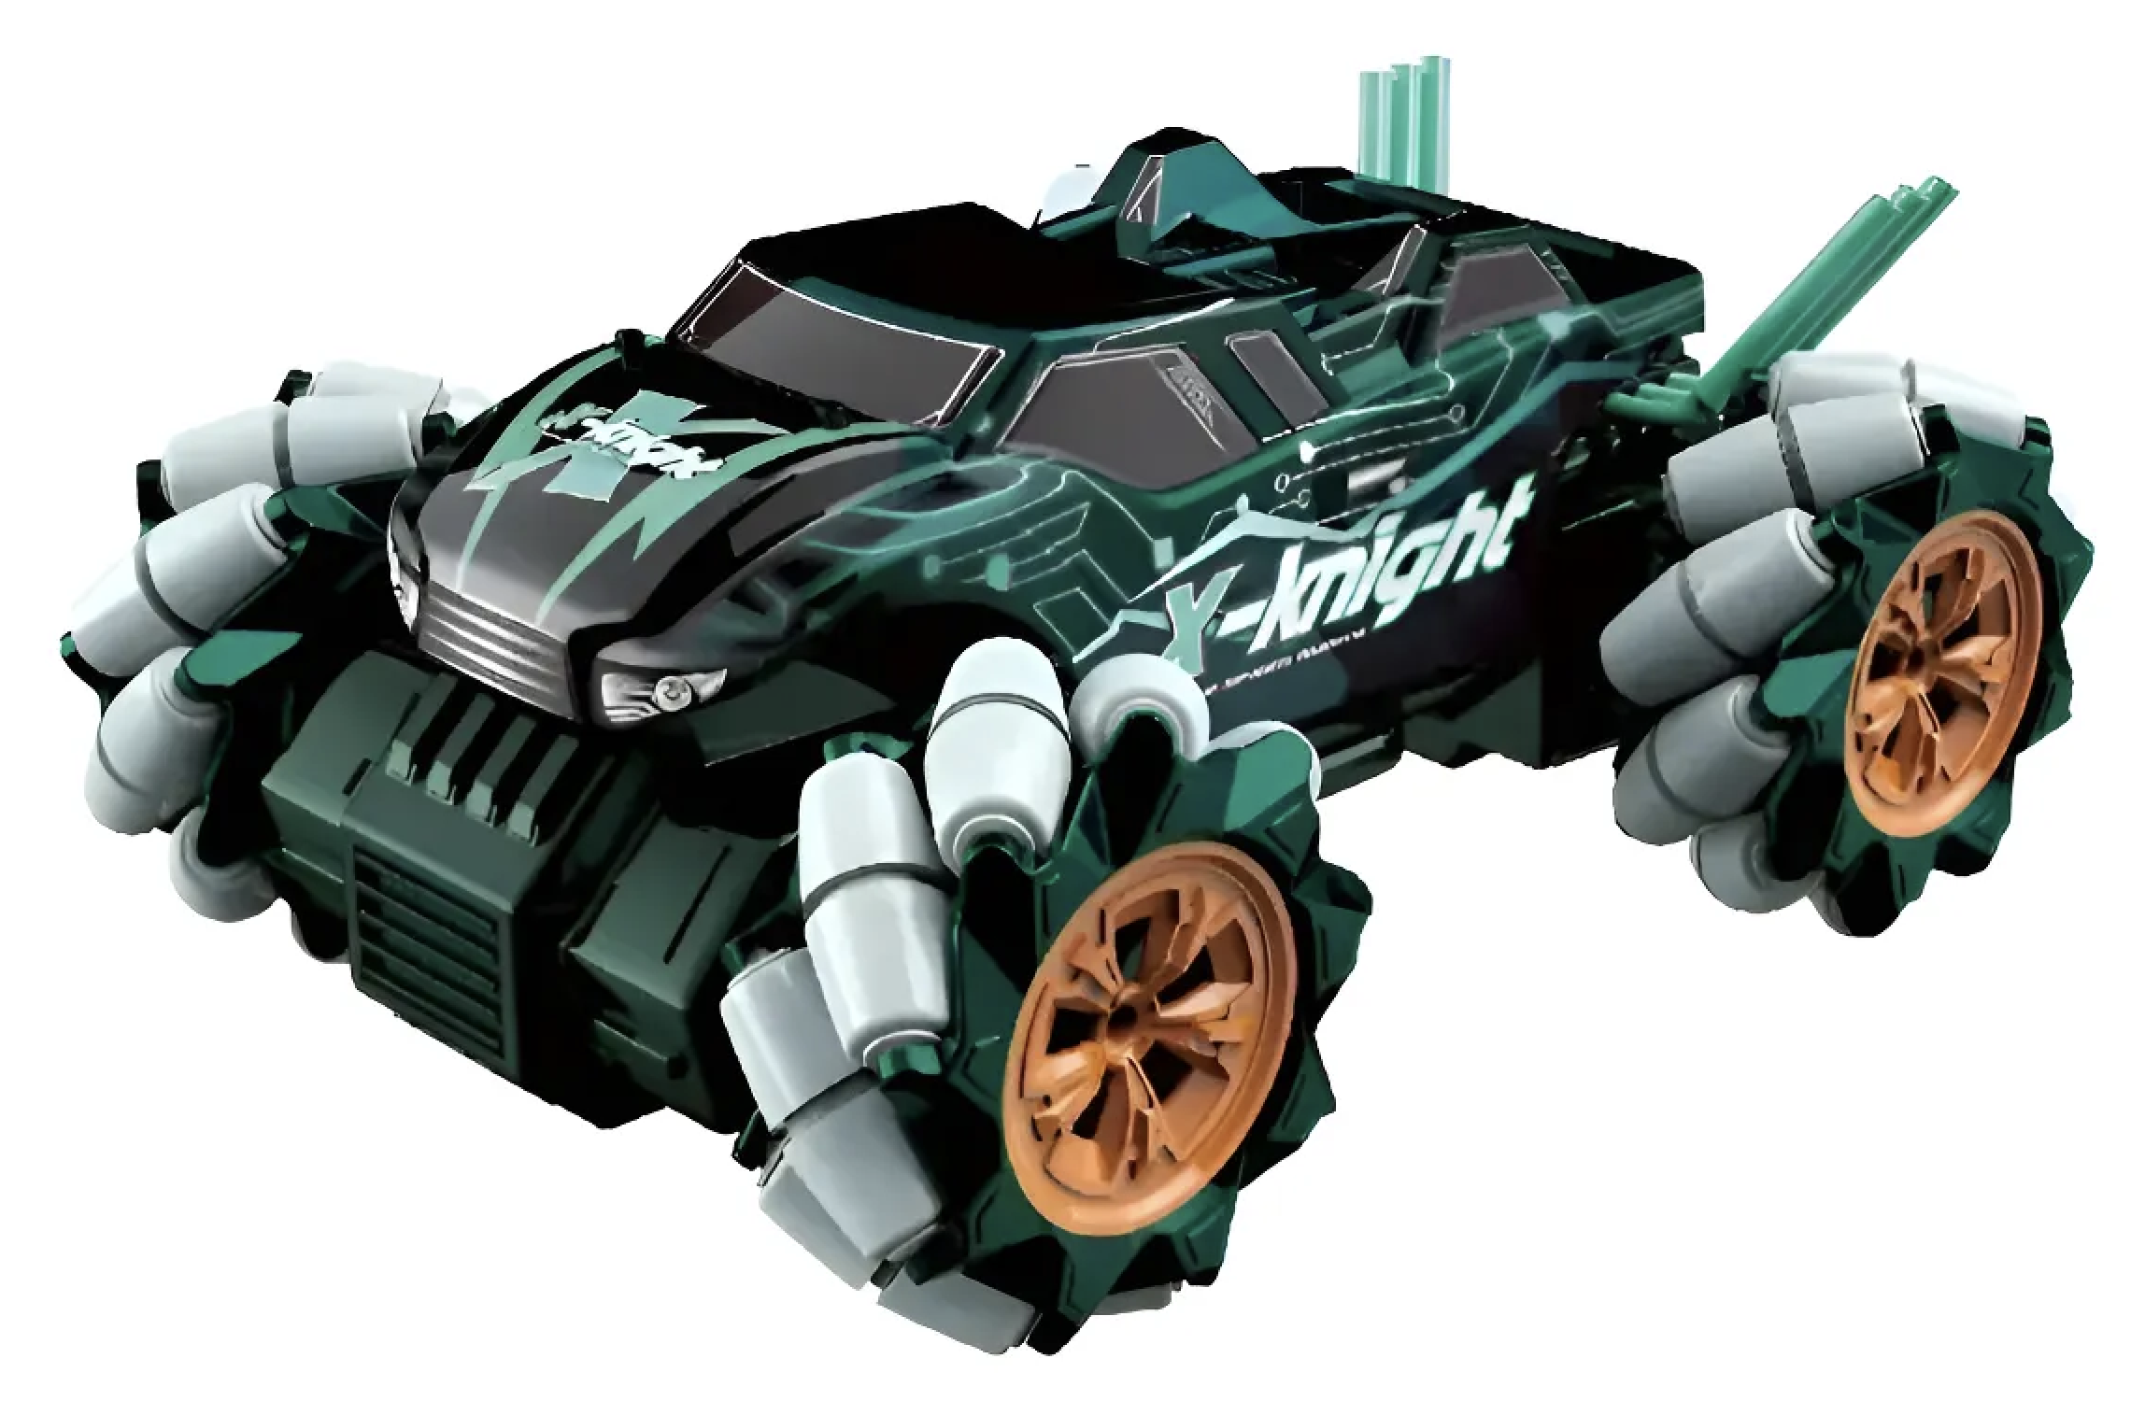 |  |  |  | 2025070822169 |  | 333-PY22162 | Crazon-2.4G 4WD High Speed Drfit Off-Rode Green |  | China | CRAZON |  |  | 3+ |  |  |  |  |  |  |  |  |  | 1 | 23 | 48 | 43 | 88 | 19.3 | 41 |  |  |  |  |  |  |  | 47 | AED 119.57 |  |  |  |  | AED 265.71 | 279.00

